Source_TAZ by Year
Daybreak Urban Center Program and Absorption Adapted for use in TAZ Zones - 2050 Build-Out Scenario
 |  |  | Urban Center Studies
 |  |  | Daybreak, South Jordan Utah |  |  |  |  |  |  |  |  |  | Confidential Document - For WFRC Use Only |  |  |  |  |  |  |  |  |  |  |  |  |  |  |  |  |  |  |  |  |  |  |  |  | LHM assumptions
 |  |  | Prepared by WCG & Hodges Design |  |  |  |  |  |  |  |  |  | The content of this spreadsheet is the confidential property of Larry H. Miller Real Estate and should not be copied, modified, re-transmitted, or used for any purpose without the authorization of Larry H. Miller Real Estate. If you are not the intended recipient of this message, you are hereby notified that the copying, use or distribution of any information or materials transmitted in or with this message is strictly prohibited, please delete all copies. |  |  |  |  |  |  |  |  |  |  |  |  |  |  |  |  |  |  |  |  |  |  |  | RetailJobSqFt | 400
 |  |  | 9 March 2022 |  |  |  |  |  |  |  |  |  |  |  |  |  |  |  |  |  |  |  |  |  |  |  |  |  |  |  |  |  |  |  |  |  | OfficeJobSqFt | 250
 |  | Absorption - 50 year Build-Out |  |  |  |  |  |  |  |  |  |  |  |  |  |  |  |  |  |  |  |  |  |  |  |  |  |  |  |  |  |  |  |  |  |  | IndustrialJobSqFt | 1,000
 |  | Year | 2025 2029 |  |  |  |  |  |  | 2030 2034 |  |  |  |  |  |  | 2035 2039 |  |  |  |  | 2040 2044 |  |  |  |  | 2045 2049 |  |  |  |  | Totals
 |  | Project Years | 1-5 |  |  |  |  |  |  | 6-10 |  |  |  |  |  |  | 11-15 |  |  |  |  | 16-20 |  |  |  |  | 21-25
 | Area | TAZID | Units2529 | Retail2529 | Retail2529JS | Office2529 | Office2529JS | Industrial2529 | Industrial2529JS | Units3034 | Retail3034 | Retail3034JS | Office3034 | Office3034JS | Industrial3034 | Industrial3034JS | Units3539 | Retail3539 | Retail3539JS | Office3539 | Office3539JS | Units4044 | Retail4044 | Retail4044JS | Office4044 | Office4044JS | Units4549 | Retail4549 | Retail4549JS | Office4549 | Office4549JS | UnitsTOT | RetailTOT | OfficeTOT | IndustrialTOT | JobsTOT | RetailJobs | OfficeJobs | IndustrialJobs
SS CDA / Urban Center Core | NMU | 1380 |  |  | 0 | 20610 | 82 | 134175 | 134 | 100 | 49335 | 123 |  | 0 |  |  |  |  | 0 |  | 0 |  |  | 0 |  | 0 |  |  | 0 |  | 0 | 100 | 49335 | 20610 | 134175 | 340 | 123 | 82 | 134
 | NMU | 1381 |  |  | 0 | 28104 | 112 | 178325 | 178 | 168 |  | 0 |  | 0 | 160121 | 160 |  |  | 0 |  | 0 |  | 32939 | 82 |  | 0 |  | 34336 | 86 |  | 0 | 168 | 67275 | 28104 | 338446 | 619 | 168 | 112 | 338
 | NMU | 1382 |  |  | 0 | 57761 | 231 |  |  |  |  | 0 |  | 0 | 152379 | 152 | 418 |  | 0 |  | 0 |  |  | 0 |  | 0 |  | 155664 | 389 |  | 0 | 418 | 155664 | 57761 | 152379 | 773 | 389 | 231 | 152
 | NMU | 1383 |  |  | 0 |  | 0 |  |  |  |  | 0 |  | 0 |  |  |  |  | 0 |  | 0 |  |  | 0 |  | 0 |  |  | 0 |  | 0 |  |  |  |  | 0 | 0 | 0 | 0
 | NMU | 1384 |  |  | 0 |  | 0 |  |  |  |  | 0 |  | 0 |  |  |  |  | 0 |  | 0 | 500 | 75000 | 188 |  | 0 |  | 100000 | 250 |  | 0 | 500 | 175000 |  |  | 438 | 438 | 0 | 0
Urban Center Core | NMU | 1385 |  |  | 0 |  | 0 |  |  |  |  | 0 |  | 0 |  |  |  |  | 0 |  | 0 |  | 137100 | 343 |  | 0 | 500 | 37900 | 95 |  | 0 | 500 | 175000 |  |  | 438 | 438 | 0 | 0
 | North Station | 1517 |  |  | 0 |  | 0 |  |  |  |  | 0 |  | 0 |  |  |  |  | 0 |  | 0 | 500 |  | 0 |  | 0 | 500 |  | 0 | 604925 | 2420 | 1000 |  | 604925 | 0 | 2420 | 0 | 2420 | 0
 | North Station | 1518 |  |  | 0 |  | 0 |  |  | 500 |  | 0 |  | 0 |  |  | 500 |  | 0 | 199906 | 800 |  |  | 0 | 680000 | 2720 |  |  | 0 | 120074 | 480 | 1000 |  | 999980 | 0 | 4000 | 0 | 4000 | 0
 | North Station | 1519 |  |  | 0 |  | 0 |  |  | 134 |  | 0 | 237427 | 950 |  |  |  |  | 0 | 400094 | 1600 |  |  | 0 |  | 0 |  | 150000 | 375 |  | 0 | 134 | 150000 | 637521 | 0 | 2925 | 375 | 2550 | 0
 | North Station | 1520 | 375 |  | 0 | 3525 | 14 |  |  | 157 |  | 0 | 72573 | 290 |  |  |  |  | 0 |  | 0 |  |  | 0 |  | 0 |  |  | 0 |  | 0 | 532 |  | 76098 | 0 | 304 | 0 | 304 | 0
 | Urban Center Core | 1521 |  |  | 0 |  | 0 |  |  |  |  | 0 |  | 0 |  |  |  |  | 0 |  | 0 |  |  | 0 |  | 0 | 212 | 248353 | 621 | 661371 | 2645 | 212 | 248353 | 661371 | 0 | 3266 | 621 | 2645 | 0
 | Urban Center Core | 1522 |  |  | 0 |  | 0 |  |  |  |  | 0 |  | 0 |  |  |  |  | 0 |  | 0 | 168 |  | 0 |  | 0 | 350 | 40801 | 102 | 108653 | 435 | 518 | 40801 | 108653 | 0 | 537 | 102 | 435 | 0
 | Urban Center Core | 1523 |  |  | 0 |  | 0 |  |  |  |  | 0 |  | 0 |  |  | 853 |  | 0 |  | 0 | 932 |  | 0 |  | 0 |  |  | 0 |  | 0 | 1785 |  |  | 0 | 0 | 0 | 0 | 0
 | Urban Center Core | 1524 |  |  | 0 |  | 0 |  |  |  |  | 0 |  | 0 |  |  | 72 |  | 0 |  | 0 |  | 89964 | 225 |  | 0 |  | 36946 | 92 | 337964 | 1352 | 72 | 126910 | 337964 | 0 | 1669 | 317 | 1352 | 0
 | Urban Center Core | 1525 |  |  | 0 |  | 0 |  |  |  |  | 0 |  | 0 |  |  | 58 | 6734 | 17 |  | 0 |  | 300036 | 750 | 592430 | 2370 |  |  | 0 | 125372 | 501 | 58 | 306770 | 717802 | 0 | 3638 | 767 | 2871 | 0
 | Urban Center Core | 1526 |  |  | 0 |  | 0 |  |  |  |  | 0 |  | 0 |  |  | 64 | 255060 | 638 | 3260 | 13 |  |  | 0 | 675970 | 2704 |  |  | 0 |  | 0 | 64 | 255060 | 679230 | 0 | 3355 | 638 | 2717 | 0
 | Urban Center Core | 1527 |  |  | 0 |  | 0 |  |  | 1000 |  | 0 |  | 0 |  |  | 53 | 14596 | 36 | 38869 | 155 |  |  | 0 |  | 0 |  |  | 0 |  | 0 | 1053 | 14596 | 38869 | 0 | 192 | 36 | 155 | 0
 | Urban Center Core | 1528 |  |  | 0 |  | 0 |  |  | 32 | 31399 | 78 |  | 0 |  |  |  | 98610 | 247 | 346218 | 1385 |  |  | 0 |  | 0 |  |  | 0 |  | 0 | 32 | 130009 | 346218 | 0 | 1710 | 325 | 1385 | 0
North Station | Urban Center Core | 1529 | 48 |  | 0 |  | 0 |  |  | 68 | 34263 | 86 |  | 0 |  |  |  |  | 0 | 91244 | 365 |  |  | 0 |  | 0 |  |  | 0 |  | 0 | 116 | 34263 | 91244 | 0 | 451 | 86 | 365 | 0
 | Urban Center Core | 1530 | 355 |  | 0 |  | 0 |  |  |  | 17526 | 44 |  | 0 |  |  |  |  | 0 | 46673 | 187 |  |  | 0 |  | 0 |  |  | 0 |  | 0 | 355 | 17526 | 46673 | 0 | 231 | 44 | 187 | 0
 | Urban Center Core | 1531 | 175 |  | 0 |  | 0 |  |  |  | 77825 | 195 |  | 0 |  |  |  |  | 0 | 207251 | 829 |  |  | 0 |  | 0 |  |  | 0 |  | 0 | 175 | 77825 | 207251 | 0 | 1024 | 195 | 829 | 0
 | Urban Center Core | 1532 | 21 | 136500 | 341 |  | 0 |  |  |  | 85039 | 213 |  | 0 |  |  |  |  | 0 | 226460 | 906 |  |  | 0 |  | 0 |  |  | 0 |  | 0 | 21 | 221539 | 226460 | 0 | 1460 | 554 | 906 | 0
NMU | Urban Center Core | 1533 | 353 |  | 0 |  | 0 |  |  |  | 17413 | 44 | 25348 | 101 |  |  |  |  | 0 | 116025 | 464 |  |  | 0 |  | 0 |  |  | 0 |  | 0 | 353 | 17413 | 141373 | 0 | 609 | 44 | 565 | 0
 | SS CDA / Urban Center Core | 1534 | 59 |  | 0 |  | 0 |  |  |  | 104594 | 261 | 278535 | 1114 |  |  |  |  | 0 |  | 0 |  |  | 0 |  | 0 |  |  | 0 |  | 0 | 59 | 104594 | 278535 | 0 | 1376 | 261 | 1114 | 0
 | SS CDA / Urban Center Core | 1535 | 91 | 37853 | 95 |  | 0 |  |  |  | 2440 | 6 | 107302 | 429 |  |  |  |  | 0 |  | 0 |  |  | 0 |  | 0 |  |  | 0 |  | 0 | 91 | 40293 | 107302 | 0 | 530 | 101 | 429 | 0
 | SS CDA / Urban Center Core | 1539 | 193 | 57031 | 143 |  | 0 |  |  |  |  | 0 | 151874 | 607 |  |  |  |  | 0 |  | 0 |  |  | 0 |  | 0 |  |  | 0 |  | 0 | 193 | 57031 | 151874 | 0 | 750 | 143 | 607 | 0
 | SS CDA / Urban Center Core | 1540 |  | 10892 | 27 |  | 0 |  |  |  |  | 0 | 82018 | 328 |  |  |  |  | 0 |  | 0 |  |  | 0 |  | 0 |  |  | 0 |  | 0 | 0 | 10892 | 82018 | 0 | 355 | 27 | 328 | 0
 | SS CDA / Urban Center Core | 1541 | 91 | 94224 | 236 | 225000 | 900 |  |  |  |  | 0 | 25922 | 104 |  |  |  |  | 0 |  | 0 |  |  | 0 |  | 0 |  |  | 0 |  | 0 | 91 | 94224 | 250922 | 0 | 1239 | 236 | 1004 | 0
SMU | SMU | 2992 |  |  | 0 |  | 0 |  |  |  |  | 0 |  | 0 |  |  |  | 62117 | 155 |  | 0 |  |  | 0 |  | 0 | 28 |  | 0 |  | 0 | 28 | 62117 |  |  | 155 | 155 | 0 | 0
 | SMU | 2993 |  |  | 0 |  | 0 |  |  |  |  | 0 | 120000 | 480 |  |  | 174 |  | 0 |  | 0 | 250 |  | 0 |  | 0 | 127 |  | 0 |  | 0 | 551 |  | 120000 |  | 480 | 0 | 480 | 0
 | SMU | 2994 |  | 28232 | 71 | 162000 | 648 |  |  |  | 166436 | 416 |  | 0 |  |  | 45 |  | 0 |  | 0 |  |  | 0 |  | 0 |  |  | 0 |  | 0 | 45 | 194668 | 162000 |  | 1135 | 487 | 648 | 0
 | SMU | 2995 |  | 121768 | 304 |  | 0 |  |  |  |  | 0 |  | 0 |  |  | 42 |  | 0 |  | 0 |  |  | 0 |  | 0 |  |  | 0 |  | 0 | 42 | 121768 |  |  | 304 | 304 | 0 | 0
 | SMU | 2996 |  |  | 0 |  | 0 |  |  | 126 |  | 0 |  | 0 |  |  |  |  | 0 |  | 0 |  |  | 0 |  | 0 |  |  | 0 |  | 0 | 126 |  |  |  | 0 | 0 | 0 | 0
 | SMU | 2997 |  |  | 0 |  | 0 |  |  | 65 | 9229 | 23 |  | 0 |  |  | 3 | 131600 | 329 |  | 0 |  |  | 0 |  | 0 |  |  | 0 |  | 0 | 68 | 140829 |  |  | 352 | 352 | 0 | 0
 | SMU | 2998 |  |  | 0 |  | 0 |  |  |  |  | 0 |  | 0 |  |  | 68 | 131283 | 328 |  | 0 |  | 79961 | 200 |  | 0 |  |  | 0 |  | 0 | 68 | 211244 |  |  | 528 | 528 | 0 | 0
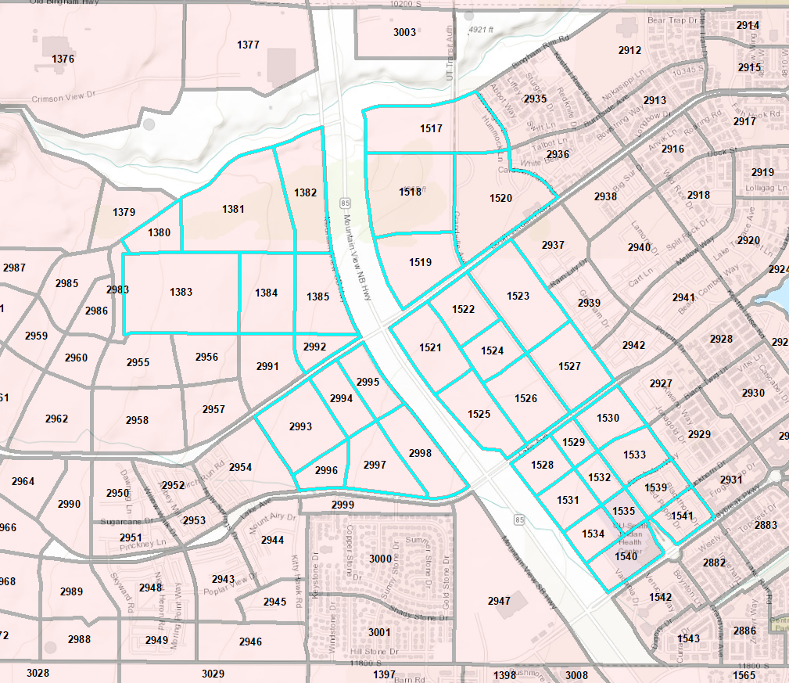
 |  |  |  |  |  |  |  |  |  |  |  |  |  |  |  |  |  |  |  |  |  |  |  |  |  |  |  |  |  |  |  | 10,529 | 3,301,000 | 7,180,758 | 625,000 | 37,601

 |  |  |  |  |  |  |  |  |  |  |  |  |  |  |  |  |  |  |  |  |  |  |  |  |  |  |  |  |  |  |  | above includes 2000 dorm units

